Daily Power Station Chart_14-01
Plant_15/07/2025Chart

Plant:odco1 |  |  | Installed Capacity:111.180kWp
Today Yield(kWh):486.700kWh |  | Today Earning:194680.000TND |  | Today Full Load Hours(h):4.38h

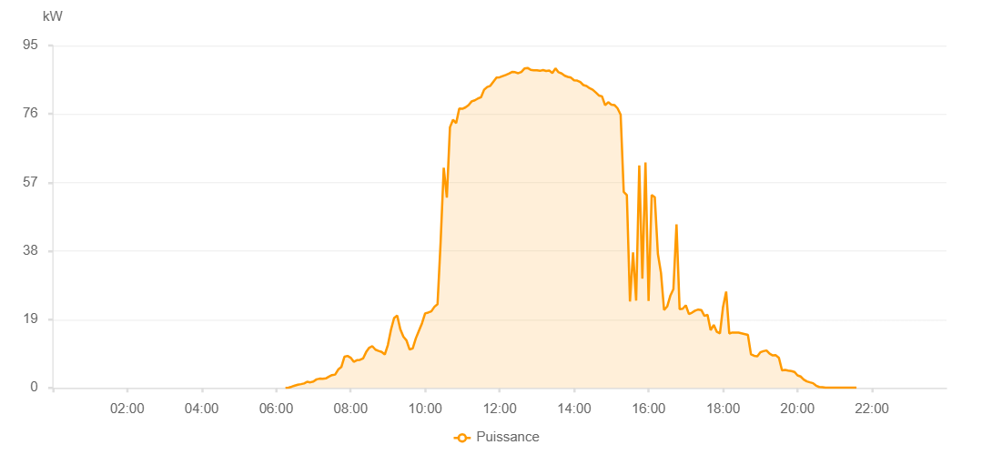

Number | Time | Working State | PV(W) | Instantaneous Radiation(W/㎡)
1 | 06:15:00 | Online | 20.00000 | 0
2 | 06:20:00 | Online | 70.00000 | 1.00000
3 | 06:25:00 | Online | 330.00000 | 1.00000
4 | 06:30:00 | Online | 640.00000 | 3.00000
5 | 06:35:00 | Online | 880.00000 | 6.00000
6 | 06:40:00 | Online | 1040.00000 | 11.00000
7 | 06:45:00 | Online | 1230.00000 | 13.00000
8 | 06:50:00 | Online | 1700.00000 | 17.00000
9 | 06:55:00 | Online | 1540.00000 | 18.00000
10 | 07:00:00 | Online | 1770.00000 | 16.00000
11 | 07:05:00 | Online | 2370.00000 | 18.00000
12 | 07:10:00 | Online | 2560.00000 | 24.00000
13 | 07:15:00 | Online | 2500.00000 | 26.00000
14 | 07:20:00 | Online | 2630.00000 | 24.00000
15 | 07:25:00 | Online | 3110.00000 | 25.00000
16 | 07:30:00 | Online | 3550.00000 | 34.00000
17 | 07:35:00 | Online | 3690.00000 | 41.00000
18 | 07:40:00 | Online | 5100.00000 | 45.00000
19 | 07:45:00 | Online | 5790.00000 | 51.00000
20 | 07:50:00 | Online | 8640.00000 | 63.00000
21 | 07:55:00 | Online | 8880.00000 | 81.00000
22 | 08:00:00 | Online | 8370.00000 | 83.00000
23 | 08:05:00 | Online | 7240.00000 | 75.00000
24 | 08:10:00 | Online | 7680.00000 | 66.00000
25 | 08:15:00 | Online | 7780.00000 | 74.00000
26 | 08:20:00 | Online | 8160.00000 | 75.00000
27 | 08:25:00 | Online | 9950.00000 | 84.00000
28 | 08:30:00 | Online | 11160.00000 | 90.00000
29 | 08:35:00 | Online | 11560.00000 | 109.00000
30 | 08:40:00 | Online | 10610.00000 | 109.00000
31 | 08:45:00 | Online | 10270.00000 | 95.00000
32 | 08:50:00 | Online | 9980.00000 | 95.00000
33 | 08:55:00 | Online | 9260.00000 | 87.00000
34 | 09:00:00 | Online | 11920.00000 | 78.00000
35 | 09:05:00 | Online | 16160.00000 | 111.00000
36 | 09:10:00 | Online | 19380.00000 | 163.00000
37 | 09:15:00 | Online | 20080.00000 | 214.00000
38 | 09:20:00 | Online | 16300.00000 | 182.00000
39 | 09:25:00 | Online | 14190.00000 | 147.00000
40 | 09:30:00 | Online | 13160.00000 | 126.00000
41 | 09:35:00 | Online | 10620.00000 | 108.00000
42 | 09:40:00 | Online | 10970.00000 | 94.00000
43 | 09:45:00 | Online | 13730.00000 | 102.00000
44 | 09:50:00 | Online | 15860.00000 | 124.00000
45 | 09:55:00 | Online | 17930.00000 | 154.00000
46 | 10:00:00 | Online | 20670.00000 | 194.00000
47 | 10:05:00 | Online | 20910.00000 | 243.00000
48 | 10:10:00 | Online | 21230.00000 | 239.00000
49 | 10:15:00 | Online | 22510.00000 | 255.00000
50 | 10:20:00 | Online | 23230.00000 | 276.00000
51 | 10:25:00 | Online | 40570.00000 | 301.00000
52 | 10:30:00 | Online | 61070.00000 | 393.00000
53 | 10:35:00 | Online | 52810.00000 | 396.00000
54 | 10:40:00 | Online | 72310.00000 | 379.00000
55 | 10:45:00 | Online | 74400.00000 | 659.00000
56 | 10:50:00 | Online | 73460.00000 | 792.00000
57 | 10:55:00 | Online | 77540.00000 | 790.00000
58 | 11:00:00 | Online | 77430.00000 | 781.00000
59 | 11:05:00 | Online | 77830.00000 | 784.00000
60 | 11:10:00 | Online | 78460.00000 | 792.00000
61 | 11:15:00 | Online | 79500.00000 | 798.00000
62 | 11:20:00 | Online | 79790.00000 | 806.00000
63 | 11:25:00 | Online | 80300.00000 | 814.00000
64 | 11:30:00 | Online | 80620.00000 | 822.00000
65 | 11:35:00 | Online | 82720.00000 | 831.00000
66 | 11:40:00 | Online | 83480.00000 | 841.00000
67 | 11:45:00 | Online | 83810.00000 | 848.00000
68 | 11:50:00 | Online | 84970.00000 | 855.00000
69 | 11:55:00 | Online | 86090.00000 | 857.00000
70 | 12:00:00 | Online | 86190.00000 | 862.00000
71 | 12:05:00 | Online | 86520.00000 | 863.00000
72 | 12:10:00 | Online | 86840.00000 | 871.00000
73 | 12:15:00 | Online | 87200.00000 | 877.00000
74 | 12:20:00 | Online | 87660.00000 | 877.00000
75 | 12:25:00 | Online | 87590.00000 | 879.00000
76 | 12:30:00 | Online | 87310.00000 | 883.00000
77 | 12:35:00 | Online | 87660.00000 | 882.00000
78 | 12:40:00 | Online | 88600.00000 | 881.00000
79 | 12:45:00 | Online | 88770.00000 | 885.00000
80 | 12:50:00 | Online | 88260.00000 | 882.00000
81 | 12:55:00 | Online | 88110.00000 | 879.00000
82 | 13:00:00 | Online | 88100.00000 | 876.00000
83 | 13:05:00 | Online | 87970.00000 | 878.00000
84 | 13:10:00 | Online | 88190.00000 | 866.00000
85 | 13:15:00 | Online | 87950.00000 | 867.00000
86 | 13:20:00 | Online | 88060.00000 | 864.00000
87 | 13:25:00 | Online | 87360.00000 | 864.00000
88 | 13:30:00 | Online | 88650.00000 | 860.00000
89 | 13:35:00 | Online | 87570.00000 | 877.00000
90 | 13:40:00 | Online | 87230.00000 | 861.00000
91 | 13:45:00 | Online | 86600.00000 | 857.00000
92 | 13:50:00 | Online | 86290.00000 | 848.00000
93 | 13:55:00 | Online | 86080.00000 | 841.00000
94 | 14:00:00 | Online | 85340.00000 | 831.00000
95 | 14:05:00 | Online | 85260.00000 | 832.00000
96 | 14:10:00 | Online | 84870.00000 | 826.00000
97 | 14:15:00 | Online | 84020.00000 | 815.00000
98 | 14:20:00 | Online | 83780.00000 | 815.00000
99 | 14:25:00 | Online | 83150.00000 | 806.00000
100 | 14:30:00 | Online | 82720.00000 | 800.00000
101 | 14:35:00 | Online | 81970.00000 | 791.00000
102 | 14:40:00 | Online | 81130.00000 | 781.00000
103 | 14:45:00 | Online | 80900.00000 | 775.00000
104 | 14:50:00 | Online | 78440.00000 | 769.00000
105 | 14:55:00 | Online | 79270.00000 | 755.00000
106 | 15:00:00 | Online | 78580.00000 | 755.00000
107 | 15:05:00 | Online | 78480.00000 | 745.00000
108 | 15:10:00 | Online | 77580.00000 | 738.00000
109 | 15:15:00 | Online | 75810.00000 | 724.00000
110 | 15:20:00 | Online | 54360.00000 | 724.00000
111 | 15:25:00 | Online | 53510.00000 | 735.00000
112 | 15:30:00 | Online | 23970.00000 | 264.00000
113 | 15:35:00 | Online | 37570.00000 | 233.00000
114 | 15:40:00 | Online | 24220.00000 | 527.00000
115 | 15:45:00 | Online | 61720.00000 | 229.00000
116 | 15:50:00 | Online | 30310.00000 | 285.00000
117 | 15:55:00 | Online | 62560.00000 | 254.00000
118 | 16:00:00 | Online | 24110.00000 | 573.00000
119 | 16:05:00 | Online | 53540.00000 | 274.00000
120 | 16:10:00 | Online | 52920.00000 | 317.00000
121 | 16:15:00 | Online | 37170.00000 | 452.00000
122 | 16:20:00 | Online | 31920.00000 | 376.00000
123 | 16:25:00 | Online | 21590.00000 | 245.00000
124 | 16:30:00 | Online | 22590.00000 | 197.00000
125 | 16:35:00 | Online | 25550.00000 | 202.00000
126 | 16:40:00 | Online | 27410.00000 | 244.00000
127 | 16:45:00 | Online | 45390.00000 | 284.00000
128 | 16:50:00 | Online | 21860.00000 | 324.00000
129 | 16:55:00 | Online | 21960.00000 | 217.00000
130 | 17:00:00 | Online | 22910.00000 | 202.00000
131 | 17:05:00 | Online | 20490.00000 | 205.00000
132 | 17:10:00 | Online | 20880.00000 | 162.00000
133 | 17:15:00 | Online | 21440.00000 | 168.00000
134 | 17:20:00 | Online | 21740.00000 | 178.00000
135 | 17:25:00 | Online | 21600.00000 | 185.00000
136 | 17:30:00 | Online | 19990.00000 | 180.00000
137 | 17:35:00 | Online | 20250.00000 | 152.00000
138 | 17:40:00 | Online | 16010.00000 | 187.00000
139 | 17:45:00 | Online | 17480.00000 | 146.00000
140 | 17:50:00 | Online | 15560.00000 | 158.00000
141 | 17:55:00 | Online | 15150.00000 | 137.00000
142 | 18:00:00 | Online | 22480.00000 | 149.00000
143 | 18:05:00 | Online | 26710.00000 | 275.00000
144 | 18:10:00 | Online | 15100.00000 | 166.00000
145 | 18:15:00 | Online | 15360.00000 | 162.00000
146 | 18:20:00 | Online | 15360.00000 | 162.00000
147 | 18:25:00 | Online | 15360.00000 | 162.00000
148 | 18:40:00 | Online | 14720.00000 | 116.00000
149 | 18:45:00 | Online | 9320.00000 | 110.00000
150 | 18:50:00 | Online | 8910.00000 | 81.00000
151 | 18:55:00 | Online | 8740.00000 | 77.00000
152 | 19:00:00 | Online | 9870.00000 | 78.00000
153 | 19:05:00 | Online | 10190.00000 | 87.00000
154 | 19:10:00 | Online | 10390.00000 | 78.00000
155 | 19:15:00 | Online | 9490.00000 | 84.00000
156 | 19:20:00 | Online | 9010.00000 | 72.00000
157 | 19:25:00 | Online | 9060.00000 | 62.00000
158 | 19:30:00 | Online | 8320.00000 | 65.00000
159 | 19:35:00 | Online | 4860.00000 | 49.00000
160 | 19:40:00 | Online | 4970.00000 | 37.00000
161 | 19:45:00 | Online | 4810.00000 | 36.00000
162 | 19:50:00 | Online | 4660.00000 | 34.00000
163 | 19:55:00 | Online | 4440.00000 | 33.00000
164 | 20:00:00 | Online | 3480.00000 | 30.00000
165 | 20:05:00 | Online | 3160.00000 | 30.00000
166 | 20:10:00 | Online | 2320.00000 | 24.00000
167 | 20:15:00 | Online | 1810.00000 | 19.00000
168 | 20:20:00 | Online | 1540.00000 | 16.00000
169 | 20:25:00 | Online | 1300.00000 | 12.00000
170 | 20:30:00 | Online | 610.00000 | 9.00000
171 | 20:35:00 | Online | 260.00000 | 5.00000
172 | 20:40:00 | Online | 200.00000 | 4.00000
173 | 20:45:00 | Online | 50.00000 | 1.00000
174 | 20:50:00 | Online | 40.00000 | 1.00000
175 | 20:55:00 | Online | 40.00000 | 0
176 | 21:00:00 | Online | 40.00000 | 0
177 | 21:05:00 | Online | 40.00000 | 0
178 | 21:10:00 | Online | 40.00000 | 0
179 | 21:15:00 | Online | 40.00000 | 0
180 | 21:20:00 | Online | 40.00000 | 0
181 | 21:25:00 | Online | 40.00000 | 0
182 | 21:30:00 | Online | 40.00000 | 0
183 | 21:35:00 | Online | 40.00000 | 0
184 | 21:55:00 | Online | 0.00001 | 0.00001

